GUI CGI SPEC
Xmind
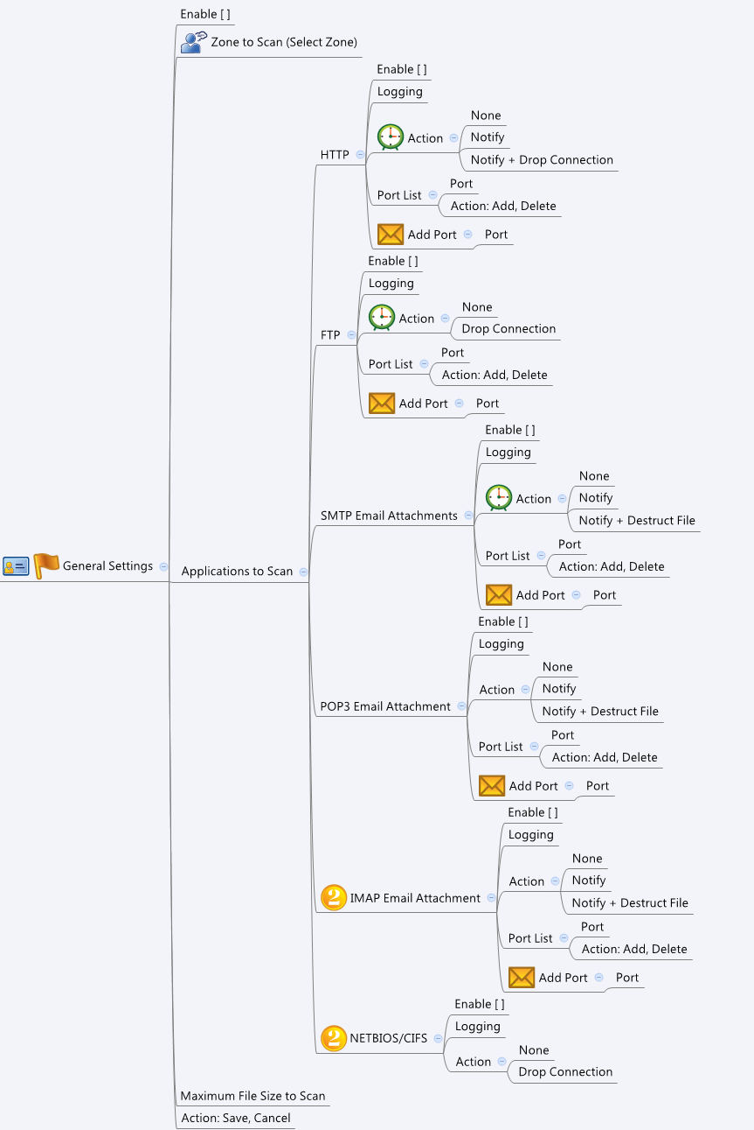

Behavior
1. At least one selected zone is needed.
2. If licensed = 0 or 1, all page should be gray out.
3. The maximum port number of each protocol (http/smtp/ftp/pop3) is 5
4. At least each procol should have one port. If these left one port, grey out the delete button.
5. Can't have same ports among protocols

[UI Display Name] | [CGI Name] | [JSON Name] | [Description]
Enable | av_general.cgi | enable | 0: unchecked, 1:checked

N/A | av_general.cgi | selectedZonesNum | int: 1~max zone number
Zone to Scan | av_general.cgi | selectedZonesT.gid | gid of selected zones

HTTP/Enable | av_general.cgi | httpEnable | 0: unchecked, 1:checked
HTTP/Logging | av_general.cgi | httpLog | 0: unchecked, 1:checked
HTTP/Action | av_general.cgi | httpAct | 0:none, 1:notify, 2:notify+drop connection
HTTP/Port | av_general.cgi | httpPortNum | number of port in specific port list
HTTP/Port List | av_general.cgi | httpPortListT.port | ports

FTP/Enable | av_general.cgi | ftpEnable | 0: unchecked, 1:checked
FTP/Logging | av_general.cgi | ftpLog | 0: unchecked, 1:checked
FTP/Action | av_general.cgi | ftpAct | 0:none, 1:drop connection
FTP/Port | av_general.cgi | ftpPortNum | number of port in specific port list
FTP/Port List | av_general.cgi | ftpPortListT.port | ports

SMTP/Enable | av_general.cgi | smtpEnable | 0: unchecked, 1:checked
SMTP/Logging | av_general.cgi | smtpLog | 0: unchecked, 1:checked
SMTP/Action | av_general.cgi | smtpAct | 0:none, 1:notify, 2:notify+destruct file
SMTP/Port | av_general.cgi | smtpPortNum | number of port in specific port list
SMTP/Port List | av_general.cgi | smtpPortListT.port | ports

POP3/Enable | av_general.cgi | pop3Enable | 0: unchecked, 1:checked
POP3/Logging | av_general.cgi | pop3Log | 0: unchecked, 1:checked
POP3/Action | av_general.cgi | pop3Act | 0:none, 1:notify, 2:notify+destruct file
POP3/Port | av_general.cgi | pop3PortNum | number of port in specific port list
POP3/Port List | av_general.cgi | pop3PortListT.port | ports

IMAP/Enable | av_general.cgi | imapEnable | 0: unchecked, 1:checked
IMAP/Logging | av_general.cgi | imapLog | 0: unchecked, 1:checked
IMAP/Action | av_general.cgi | imapAct | 0:none, 1:notify, 2:notify+destruct file
IMAP/Port | av_general.cgi | imapPortNum | number of port in specific port list
IMAP/Port List | av_general.cgi | imapPortListT.port | ports

Maximum File Size to Scan | av_general.cgi | maxFileSize | range:1~10240, default:0, 0 = unlimited

N/A | av_general.cgi | licensed | 0: no licensed, 1:trial expired, 2: standard expired, 3: valid

## cgi name ## av_general.cgi ## GET for get previous settings ## { "enable": 1, "selectedZonesNum": 6, "selectedZonesT": [ { "gid": 1048577 }, { "gid": 1048576 }, { "gid": 1048578 }, { "gid": 1048579 }, { "gid": 1048580 }, { "gid": 1048581 } ], "httpEnable": 1, "httpLog": 1, "httpAct": 0, "httpPortNum": 1, "httpPortListT": [ { "port": 80 } ], "ftpEnable": 1, "ftpLog": 1, "ftpAct": 0, "ftpPortNum": 1, "ftpPortListT": [ { "port": 21 } ], "smtpEnable": 1, "smtpLog": 1, "smtpAct": 0, "smtpPortNum": 1, "smtpPortListT": [ { "port": 25 } ], "pop3Enable": 1, "pop3Log": 1, "pop3Act": 0, "pop3PortNum": 1, "pop3PortListT": [ { "port": 80 } ], "imapEnable": 1, "imapLog": 1, "imapAct": 0, "imapPortNum": 1, "imapPortListT": [ { "port": 995 } ], "maxFileSize": 0, "licensed": 3 } ## POST for set new settings ## { "enable": 1, "selectedZonesNum": 6, "selectedZonesT": [ { "gid": 1048577 }, { "gid": 1048576 }, { "gid": 1048578 }, { "gid": 1048579 }, { "gid": 1048580 }, { "gid": 1048581 } ], "httpEnable": 1, "httpLog": 1, "httpAct": 0, "httpPortNum": 1, "httpPortListT": [ { "port": 80 } ], "ftpEnable": 1, "ftpLog": 1, "ftpAct": 0, "ftpPortNum": 1, "ftpPortListT": [ { "port": 21 } ], "smtpEnable": 1, "smtpLog": 1, "smtpAct": 0, "smtpPortNum": 1, "smtpPortListT": [ { "port": 25 } ], "pop3Enable": 1, "pop3Log": 1, "pop3Act": 0, "pop3PortNum": 1, "pop3PortListT": [ { "port": 80 } ], "imapEnable": 1, "imapLog": 1, "imapAct": 0, "imapPortNum": 1, "imapPortListT": [ { "port": 995 } ], "maxFileSize": 0, "licensed": 3 }
JSON String

